Assumptions
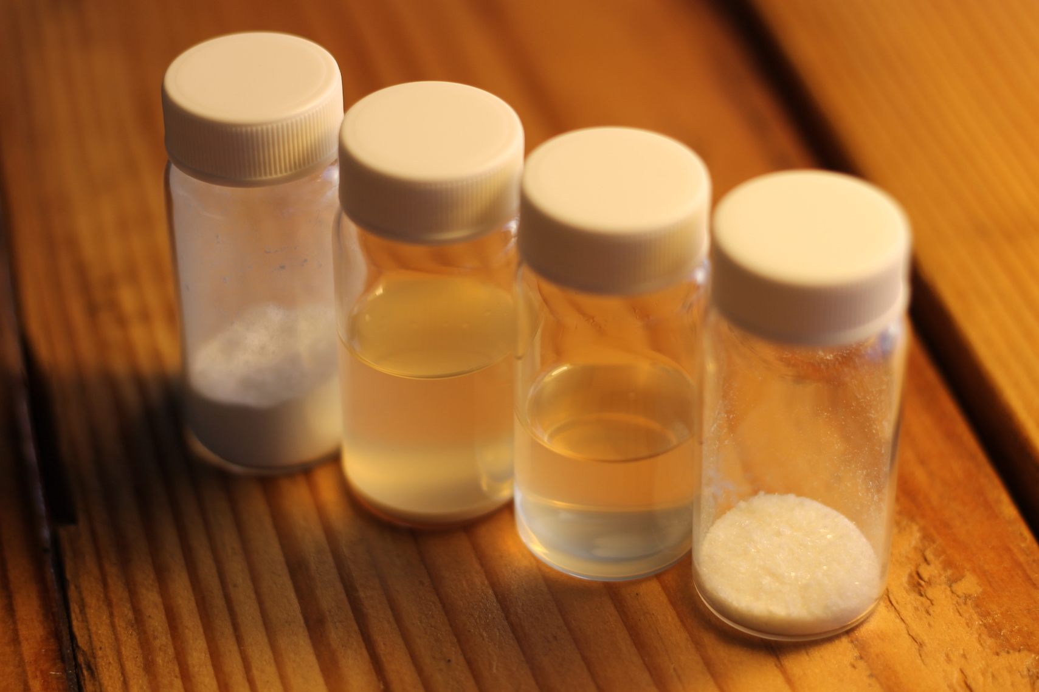
Input | Value |  | Location | Facility | Quote received | $/LD equivalent | Best Rate to be expected($/LD rounded to cents) | Monthly rental cost for 200m3 of tank volume
Titer (g/L) | 75 | 1 | Germany | Corden Pharma | $0.05-$0.1/LD for 19x120m3 and 14x40m3 tanks | $0.05-$0.1/LD | 0.05 | $300,000
Yield (%) | 30 | 2 | US Midwest | Tate & Lyle | $1.5M for 3 x 200m3 tanks per month | $0.075/LD | 0.08 | $450,000
Tank size (L) | 200000 | 3 | US Midwest | Abbvie | $0.075-$0.15/LD for 30x100m3 tanks | $0.075-$0.15/LD | 0.08 | $450,000
Number of draws | 3 | 4 | India | Augmene | $0.5-$1.0/L for broth; divide by number of days | $0.1-$0.2/LD | 0.10 | $600,000
Rental rate ($/200m3/month) | $300,000 | 5 | China | Unnamed | $160,000 per 100m3 tank per month | $0.05-$0.06/LD | 0.05 | $300,000
Rate ($/LD) | 0.05 | 6 | Italy | Capua Bioservices | $2.3-$2.5M for 60kL-240kL tanks per year including DSP | $0.133-$0.199/LD | 0.13 | $780,000

 |  | Picked for model
 |  | 1 | Germany | Corden Pharma | $0.05-$0.1/LD for 19x120m3 and 14x40m3 tanks | $0.05-$0.1/LD | 0.05 | $300,000

